Sheet1
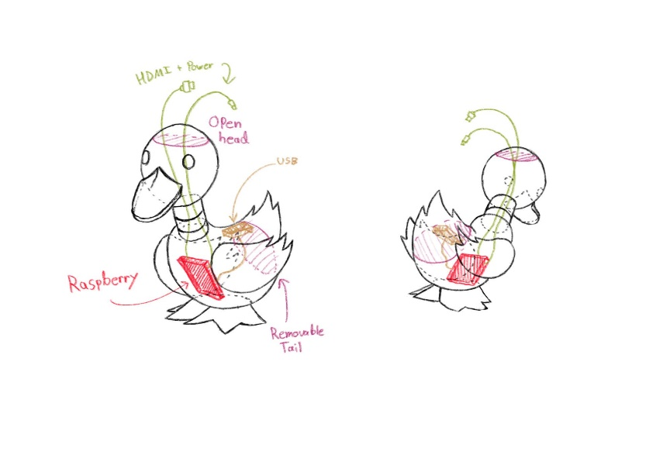
 |  |  | Rasberry Pi Specs
 |  |  | Full Height
 |  |  | Full Width
 |  |  | Full Length
 |  |  | Datasheet | Put Link here

Duck Console CAD Component list |  | Additional Console Parts | Cost | Link
Part | Status | Tail Hinge
Head Cover | Not Done | Screws For Feet
Head | Not Done | Screws For Wings
Beak | Not Done | Brackets for mounting Neck
Neck | Not Done | Velcrow for mounting Raz
Body | Not Done
Tail | Not Done
Wing L | Not Done
Wing R | Not Done
Feet | Not Done

